TestSummary
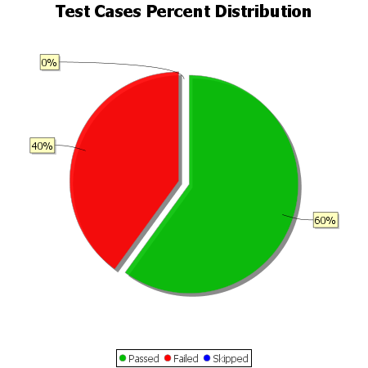
Total Test Cases | 10
Test Cases Passed | 6
Test Cases Failed | 4
Test Cases Skipped | 0

